PT. SUPARMA JAYA TBK (Tissue)
DATE | INV NO. | DESCRIPTIONS | AMOUNT | BILLS | PRICE | TOTAL | Rp808,447
25-Mar-2026 | SO05LC2603003130 | SEE-U HTM DE / ECONO RED / 20 PK FSC MIX 85% / SUHT-046NN | 120 | 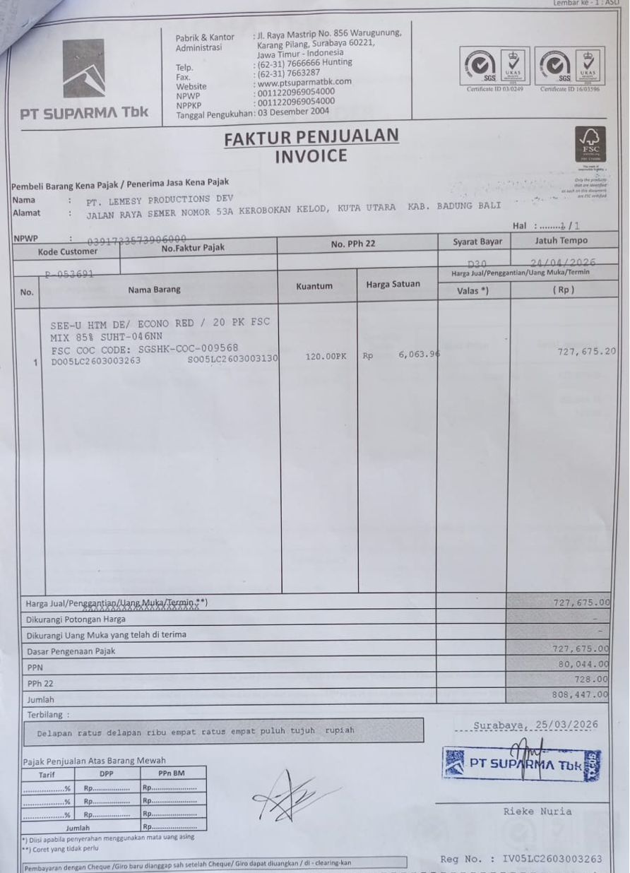 | Rp6,063.9600 | Rp727,675.20

 | SALES PRICE |  |  |  |  | Rp727,675.20
 | PPN |  |  |  |  | Rp80,044.27
 | PPh 22 |  |  |  |  | Rp727.68
 | TOTAL |  |  |  |  | Rp808,447.15
 |  |  |  |  |  | Rp0.00
 | SALES PRICE |  |  |  |  | Rp0.00
 | PPN |  |  |  |  | Rp0.00
 | PPh 22 |  |  |  |  | Rp0.00
 | TOTAL |  |  |  |  | Rp0.00
GRAND TOTAL |  |  |  | Rp808,447

